Sol 1
Which factors contribute to the highest sales in a particular region?

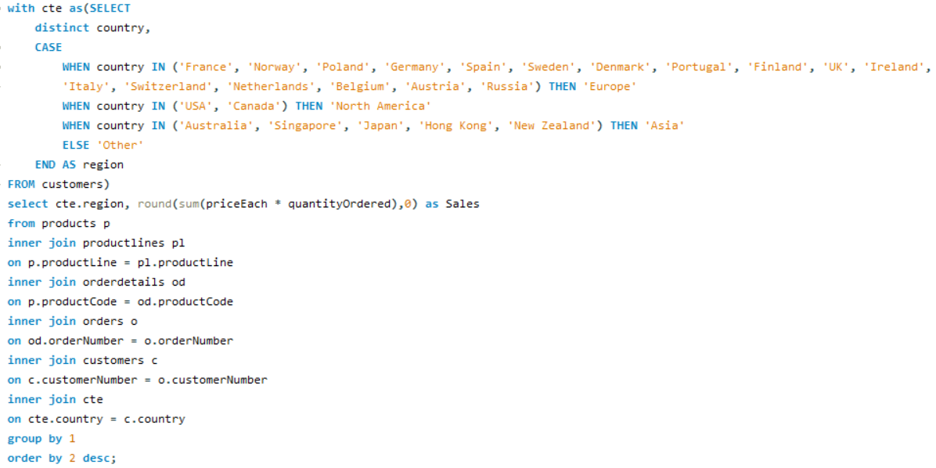

Region | Sales
Europe | 4520712
North America | 3479192
Asia | 1516818
Other | 87468

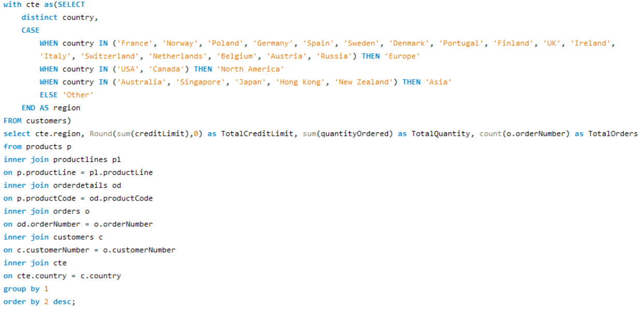

Region | Credit Limit | Quantity Ordered | Total Orders
Europe | 166,275,200 | 49578 | 1415
North America | 114,258,600 | 38137 | 1074
Asia | 45,298,600 | 16840 | 481
Other | 2,119,000 | 961 | 26

Insight: Europe has the highest sales among all regions and it has maximum credit limit and number of orders is also highest in the Europe Region Reasons for Highest Sales: High Consumption of goods and High Credit Limit Offered

Sol 2
How can customer purchasing patterns be influenced to increase average order value?

Insights: By analyzing the data, we have conclude the high-value customers and their buying habits. This insight guides targeted marketing and sales tactics, such as exclusive promotions, product bundles, and personalized suggestions, to boost their spending and raise the average order value.
CustomerNumber | Avg_Order_Value | Total_order_count | Total_quantity_order
455 | 4140 | 2 | 636
209 | 3993 | 3 | 779
328 | 3896 | 3 | 988
175 | 3817 | 3 | 903
172 | 3763 | 3 | 836
151 | 3707 | 4 | 1775
204 | 3705 | 2 | 572
333 | 3679 | 3 | 545
201 | 3676 | 3 | 1046
381 | 3652 | 4 | 278
495 | 3641 | 2 | 695
148 | 3634 | 5 | 1524
357 | 3632 | 3 | 1003
344 | 3596 | 2 | 468
450 | 3588 | 4 | 1656
145 | 3586 | 5 | 1315
458 | 3514 | 3 | 1163
144 | 3510 | 4 | 647
298 | 3509 | 2 | 1078
334 | 3463 | 3 | 1031
424 | 3461 | 3 | 720
128 | 3452 | 4 | 811
382 | 3437 | 4 | 1442
259 | 3432 | 2 | 936
363 | 3425 | 3 | 1248
462 | 3409 | 3 | 903
452 | 3404 | 3 | 532
484 | 3399 | 2 | 589
250 | 3383 | 3 | 684
486 | 3379 | 3 | 730
157 | 3366 | 4 | 1111
475 | 3365 | 2 | 511
167 | 3364 | 3 | 973
385 | 3364 | 3 | 961
323 | 3361 | 5 | 1691
286 | 3354 | 2 | 976
227 | 3330 | 2 | 882
398 | 3298 | 4 | 1150
124 | 3288 | 17 | 6366
114 | 3283 | 5 | 1926
256 | 3271 | 2 | 637
121 | 3257 | 4 | 1082
362 | 3244 | 3 | 1036
321 | 3228 | 4 | 1447
386 | 3218 | 3 | 1280
239 | 3215 | 2 | 954
406 | 3201 | 3 | 1001
103 | 3188 | 3 | 270
202 | 3187 | 2 | 703
186 | 3185 | 3 | 1051
448 | 3183 | 3 | 1359
146 | 3178 | 3 | 1428
129 | 3177 | 3 | 692
473 | 3170 | 2 | 272
141 | 3169 | 26 | 9327
249 | 3162 | 2 | 843
233 | 3135 | 3 | 717
205 | 3127 | 3 | 1060
189 | 3119 | 2 | 490
177 | 3118 | 2 | 692
412 | 3115 | 3 | 1055
324 | 3098 | 3 | 937
353 | 3097 | 5 | 1433
171 | 3089 | 2 | 699
161 | 3075 | 4 | 1179
379 | 3064 | 3 | 795
131 | 3043 | 4 | 1631
242 | 3024 | 3 | 687
319 | 3017 | 2 | 929
166 | 2993 | 4 | 1236
119 | 2992 | 4 | 1832
311 | 2991 | 3 | 1110
276 | 2979 | 4 | 1469
216 | 2979 | 3 | 882
347 | 2965 | 2 | 500
173 | 2927 | 2 | 357
456 | 2923 | 2 | 381
282 | 2911 | 4 | 1601
320 | 2911 | 3 | 1140
187 | 2910 | 3 | 1778
181 | 2900 | 3 | 787
299 | 2877 | 2 | 787
496 | 2864 | 4 | 1647
350 | 2862 | 3 | 804
211 | 2843 | 2 | 596
487 | 2838 | 2 | 514
314 | 2834 | 3 | 796
112 | 2765 | 3 | 929
240 | 2761 | 2 | 895
339 | 2759 | 2 | 668
198 | 2694 | 3 | 287
278 | 2657 | 3 | 1650
219 | 2640 | 2 | 102
447 | 2630 | 3 | 666
260 | 2570 | 2 | 873
489 | 2466 | 2 | 357
471 | 2429 | 3 | 705
415 | 2236 | 1 | 401

Sol 3
What are the key drivers of sales growth, and how can they be leveraged for future success?

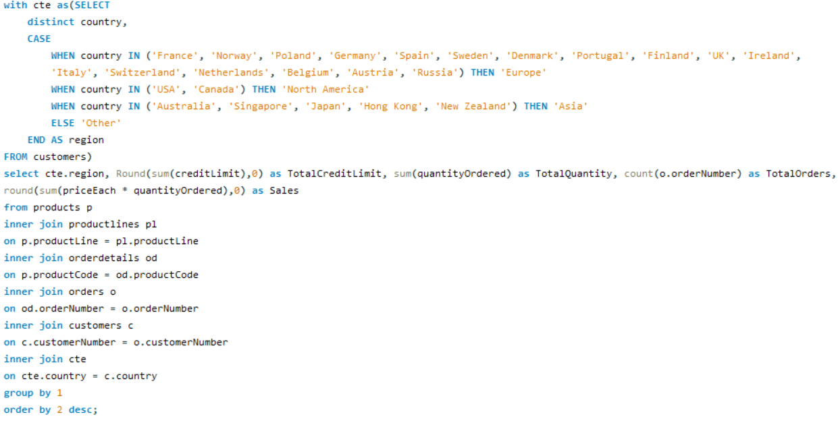

Region | TotalCreditLimit | TotalQuantity | TotalOrders | Sales
Europe | 166,275,200 | 49578 | 1415 | 4,520,712
North America | 114,258,600 | 38137 | 1074 | 3,479,192
Asia | 45,298,600 | 16840 | 481 | 1,516,818
Other | 2,119,000 | 961 | 26 | 87,468

Key drivers of sales growth include:
Total Credit Limit
Total Quantity Sold
Order Frequency
Total Revenue Generated

Sol 4
Which product features or attributes are most appealing to customers?

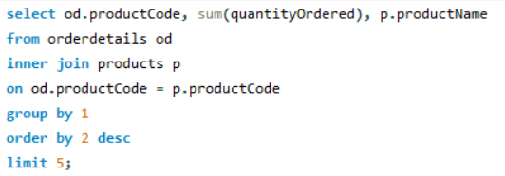
Note: Taken top 5 orders Observation: S18_3232 (1992 Ferrari 360 Spider red) has the most order So this attributes is most appealing to customers

Product_Code | Quantity_Ordered | Product_Name
S18_3232 | 1808 | 1992 Ferrari 360 Spider red
S18_1342 | 1111 | 1937 Lincoln Berline
S700_4002 | 1085 | American Airlines: MD-11S
S18_3856 | 1076 | 1941 Chevrolet Special Deluxe Cabriolet
S50_1341 | 1074 | 1930 Buick Marquette Phaeton

Product Feature of 1992 Ferrari 360 Spider red His replica features opening doors, superb detail and craftsmanship, working steering system, opening forward compartment, opening rear trunk with removable spare, 4 wheel independent spring suspension as well as factory baked enamel finish.

Sol 5
How can the product mix be optimized to cater to changing market demands?

Year | Quarter | Sales
2003 | Quarter 1 | 152581.55
2003 | Quarter 2 | 194291.4
2003 | Quarter 3 | 268968.43
2003 | Quarter 4 | 758990.84
Quatery Sales of Classic Cars
2004 | Quarter 1 | 322986.05
2004 | Quarter 2 | 280905.33
2004 | Quarter 3 | 421595.84
2004 | Quarter 4 | 737649.51
2005 | Quarter 1 | 392920.28
2005 | Quarter 2 | 323033.26

Year | Quarter | Sales
2003 | Quarter 1 | 106982.2
2003 | Quarter 2 | 86263.64
Quatery Sales of Vintage Cars
2003 | Quarter 3 | 111892.89
2003 | Quarter 4 | 314022.75
2004 | Quarter 1 | 147096.78
2004 | Quarter 2 | 140373.94
2004 | Quarter 3 | 200420.71
2004 | Quarter 4 | 366660.42
2005 | Quarter 1 | 183041.56
2005 | Quarter 2 | 140804.74

Year | Quarter | Sales
2003 | Quarter 1 | 33062.22
2003 | Quarter 2 | 43490.68
Quatery Sales of Motorcycles
2003 | Quarter 3 | 77984.28
2003 | Quarter 4 | 194372.06
2004 | Quarter 1 | 85681.6
2004 | Quarter 2 | 125409.8
2004 | Quarter 3 | 114455.8
2004 | Quarter 4 | 201696.64
2005 | Quarter 1 | 112384.53
2005 | Quarter 2 | 132888.51

Year | Quarter | Sales
2003 | Quarter 1 | 37136.27
2003 | Quarter 2 | 66587.81
Quatery Sales of Planes
2003 | Quarter 3 | 28846.56
2003 | Quarter 4 | 177213.56
2004 | Quarter 1 | 77273.5
2004 | Quarter 2 | 93349.78
2004 | Quarter 3 | 96796.97
2004 | Quarter 4 | 204551.21
2005 | Quarter 1 | 103702.95
2005 | Quarter 2 | 69178.93

Optimizing the product mix to cater to changing market demands is a critical process that requires a combination of Market Research and Analysis Establish Clear Objectives
Marketing and Promotion
Pricing Strategy
Supply Chain Optimization Product Development and Innovation

Sol 6
Are there any specific market segments where a particular product is underperforming, and how can it be improved?

ProductLine | ProductCode | ProductName | Total_Revenue
Classic Cars | S12_3990 | 1970 Plymouth Hemi Cuda | 63489.95
Vintage Cars | S18_1367 | 1936 Mercedes-Benz 500K Special Roadster | 46078.29
Insight: A critical observation reveals that the following products are underperforming, as the cumulative revenue from these products falls short of the average revenue earned across all products.
Classic Cars | S18_1889 | 1948 Porsche 356-A Roadster | 66455.62
Vintage Cars | S18_2248 | 1911 Ford Town Car | 45306.77
Trucks and Buses | S18_2432 | 1926 Ford Fire Engine | 55835.3
Planes | S18_2581 | P-51-D Mustang | 68741.91
Motorcycles | S18_2625 | 1936 Harley Davidson El Knucklehead | 49992.72
Vintage Cars | S18_2957 | 1934 Ford V8 Coupe | 55172.21
Ships | S18_3029 | 1999 Yamaha Speed Boat | 74127.24
Vintage Cars | S18_3136 | 18th Century Vintage Horse Carriage | 85328.57
Trains | S18_3259 | Collectable Wooden Train | 82617.12
Classic Cars | S18_3278 | 1969 Dodge Super Bee | 68783.93
Vintage Cars | S18_3320 | 1917 Maxwell Touring Car | 87637.63
Motorcycles | S18_3782 | 1957 Vespa GS150 | 54024.87
Vintage Cars | S18_4409 | 1932 Alfa Romeo 8C2300 Spider Sport | 71526.22
Vintage Cars | S18_4522 | 1904 Buick Runabout | 77800.54
Vintage Cars | S18_4668 | 1939 Cadillac Limousine | 44037.84
Classic Cars | S18_4933 | 1957 Ford Thunderbird | 50101.57
Classic Cars | S24_1046 | 1970 Chevy Chevelle SS 454 | 53236.67
Classic Cars | S24_1444 | 1970 Dodge Coronet | 50255.45
Classic Cars | S24_1628 | 1966 Shelby Cobra 427 S/C | 42015.54
Vintage Cars | S24_1937 | 1939 Chevrolet Deluxe Coupe | 28052.94
Motorcycles | S24_2000 | 1960 BSA Gold Star DBD34 | 67193.49
Vintage Cars | S24_2022 | 1938 Cadillac V-16 Presidential Limousine | 38449.09
Motorcycles | S24_2360 | 1982 Ducati 900 Monster | 57995.25
Classic Cars | S24_2766 | 1949 Jaguar XK 120 | 76670.02
Classic Cars | S24_2840 | 1958 Chevy Corvette Limited Edition | 31627.96
Planes | S24_2841 | 1900s Vintage Bi-Plane | 58434.07
Classic Cars | S24_2972 | 1982 Lamborghini Diablo | 30972.87
Vintage Cars | S24_3151 | 1912 Ford Model T Delivery Wagon | 77239.92
Classic Cars | S24_3191 | 1969 Chevrolet Camaro Z28 | 67357.3
Classic Cars | S24_3371 | 1971 Alpine Renault 1600s | 52339.53
Vintage Cars | S24_3420 | 1937 Horch 930V Limousine | 52803.75
Classic Cars | S24_3432 | 2002 Chevy Corvette | 87404.81
Vintage Cars | S24_3816 | 1940 Ford Delivery Sedan | 71208.18
Planes | S24_3949 | Corsair F4U ( Bird Cage) | 62269.67
Vintage Cars | S24_3969 | 1936 Mercedes Benz 500k Roadster | 29763.39
Planes | S24_4278 | 1900s Vintage Tri-Plane | 68276.35
Classic Cars | S24_4620 | 1961 Chevrolet Impala | 69120.97
Trucks and Buses | S32_1268 | 1980â€™s GM Manhattan Express | 78067.82
Motorcycles | S32_2206 | 1982 Ducati 996 R | 33268.76
Trucks and Buses | S32_2509 | 1954 Greyhound Scenicruiser | 46519.05
Trains | S32_3207 | 1950's Chicago Surface Lines Streetcar | 53791.99
Trucks and Buses | S32_3522 | 1996 Peterbilt 379 Stake Bed with Outrigger | 57282.49
Vintage Cars | S32_4289 | 1928 Ford Phaeton Deluxe | 60493.33
Motorcycles | S32_4485 | 1974 Ducati 350 Mk3 Desmo | 84039.24
Vintage Cars | S50_1341 | 1930 Buick Marquette Phaeton | 41599.24
Trains | S50_1514 | 1962 City of Detroit Streetcar | 52123.81
Motorcycles | S50_4713 | 2002 Yamaha YZR M1 | 73670.64
Ships | S700_1138 | The Schooner Bluenose | 56455.11
Planes | S700_1691 | American Airlines: B767-300 | 73871.22
Ships | S700_1938 | The Mayflower | 69531.61
Ships | S700_2047 | HMS Bounty | 73298.42
Ships | S700_2610 | The USS Constitution Ship | 66697.13
Planes | S700_3167 | F/A 18 Hornet 1/72 | 76618.4
Ships | S700_3505 | The Titanic | 84992.25
Ships | S700_3962 | The Queen Mary | 78919.06
Planes | S700_4002 | American Airlines: MD-11S | 71753.93
Planes | S72_1253 | Boeing X-32A JSF | 42692.53
Ships | S72_3212 | Pont Yacht | 47550.4

Sol 7
What are the main factors that influence customer loyalty and repeat purchases?

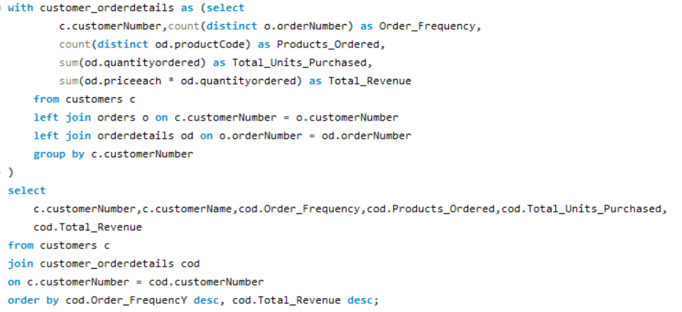
customerNumber | customerName | Order_Frequency | Products_Ordered | Total_Units_Purchased | Total_Revenue
141 | Euro+ Shopping Channel | 26 | 106 | 9327 | 820689.54
124 | Mini Gifts Distributors Ltd. | 17 | 77 | 6366 | 591827.34
114 | Australian Collectors, Co. | 5 | 40 | 1926 | 180585.07
148 | Dragon Souveniers, Ltd. | 5 | 37 | 1524 | 156251.03
323 | Down Under Souveniers, Inc | 5 | 42 | 1691 | 154622.08
145 | Danish Wholesale Imports | 5 | 31 | 1315 | 129085.12
353 | Reims Collectables | 5 | 37 | 1433 | 126983.19
Customer loyalty and repeat purchases are influenced by:
1. Product/Service Quality
2. Customer Service 3. Brand Trust
4. Discount
5. Competitive Pricing
6. Feedback and Improvement
7. Loyalty Incentives
Focusing on these factors improves loyalty and encourages repeat purchases.
151 | Muscle Machine Inc | 4 | 32 | 1775 | 177913.95
119 | La Rochelle Gifts | 4 | 43 | 1832 | 158573.12
131 | Land of Toys Inc. | 4 | 41 | 1631 | 149085.15
450 | The Sharp Gifts Warehouse | 4 | 39 | 1656 | 143536.27
382 | Salzburg Collectables | 4 | 36 | 1442 | 137480.07
496 | Kelly's Gift Shop | 4 | 45 | 1647 | 137460.79
276 | Anna's Decorations, Ltd | 4 | 41 | 1469 | 137034.22
282 | Souveniers And Things Co. | 4 | 44 | 1601 | 133907.12
321 | Corporate Gift Ideas Co. | 4 | 40 | 1447 | 132340.78
166 | Handji Gifts& Co | 4 | 29 | 1236 | 107746.75
398 | Tokyo Collectables, Ltd | 4 | 32 | 1150 | 105548.73
161 | Technics Stores Inc. | 4 | 30 | 1179 | 104545.22
157 | Diecast Classics Inc. | 4 | 31 | 1111 | 104358.69
121 | Baane Mini Imports | 4 | 32 | 1082 | 104224.79
128 | Blauer See Auto, Co. | 4 | 22 | 811 | 75937.76
144 | Volvo Model Replicas, Co | 4 | 19 | 647 | 66694.82
381 | Royale Belge | 4 | 8 | 278 | 29217.18
187 | AV Stores, Co. | 3 | 37 | 1778 | 148410.09
146 | Saveley & Henriot, Co. | 3 | 41 | 1428 | 130305.35
278 | Rovelli Gifts | 3 | 34 | 1650 | 127529.69
386 | L'ordine Souveniers | 3 | 39 | 1280 | 125505.57
448 | Scandinavian Gift Ideas | 3 | 38 | 1359 | 120943.53
363 | Online Diecast Creations Co. | 3 | 34 | 1248 | 116449.29
458 | Corrida Auto Replicas, Ltd | 3 | 26 | 1163 | 112440.09
201 | UK Collectables, Ltd. | 3 | 29 | 1046 | 106610.72
334 | Suominen Souveniers | 3 | 30 | 1031 | 103896.74
320 | Mini Creations Ltd. | 3 | 34 | 1140 | 101872.52
167 | Herkku Gifts | 3 | 29 | 973 | 97562.47
311 | Oulu Toy Supplies, Inc. | 3 | 31 | 1110 | 95706.15
186 | Toys of Finland, Co. | 3 | 30 | 1051 | 95546.46
175 | Gift Depot Inc. | 3 | 25 | 903 | 95424.63
357 | GiftsForHim.com | 3 | 26 | 1003 | 94431.76
205 | Toys4GrownUps.com | 3 | 29 | 1060 | 93803.3
412 | Extreme Desk Decorations, Ltd | 3 | 29 | 1055 | 90332.38
462 | FunGiftIdeas.com | 3 | 26 | 903 | 88627.49
385 | Cruz & Sons Co. | 3 | 22 | 961 | 87468.3
172 | La Corne D'abondance, Co. | 3 | 22 | 836 | 86553.52
406 | Auto Canal+ Petit | 3 | 18 | 1001 | 86436.97
362 | Gifts4AllAges.com | 3 | 21 | 1036 | 84340.32
328 | Tekni Collectables Inc. | 3 | 21 | 988 | 81806.55
324 | Stylish Desk Decors, Co. | 3 | 26 | 937 | 80556.73
112 | Signal Gift Stores | 3 | 24 | 929 | 80180.98
486 | Motor Mint Distributors Inc. | 3 | 17 | 730 | 77726.59
209 | Mini Caravy | 3 | 19 | 779 | 75859.32
379 | Collectables For Less Inc. | 3 | 24 | 795 | 73533.65
181 | Vitachrome Inc. | 3 | 25 | 787 | 72497.64
350 | Marseille Mini Autos | 3 | 24 | 804 | 71547.53
314 | Petit Auto | 3 | 20 | 796 | 70851.58
424 | Classic Legends Inc. | 3 | 20 | 720 | 69214.33
233 | QuÃ©bec Home Shopping Network | 3 | 22 | 717 | 68977.67
216 | Enaco Distributors | 3 | 22 | 882 | 68520.47
250 | Lyon Souveniers | 3 | 20 | 684 | 67659.19
129 | Mini Wheels Co. | 3 | 19 | 692 | 66710.56
242 | Alpha Cognac | 3 | 20 | 687 | 60483.36
471 | Australian Collectables, Ltd | 3 | 23 | 705 | 55866.02
333 | Australian Gift Network, Co | 3 | 15 | 545 | 55190.16
452 | Mini Auto Werke | 3 | 15 | 532 | 51059.99
447 | Gift Ideas Corp. | 3 | 19 | 666 | 49967.78
103 | Atelier graphique | 3 | 7 | 270 | 22314.36
198 | Auto-Moto Classics Inc. | 3 | 8 | 287 | 21554.26
298 | Vida Sport, Ltd | 2 | 17 | 1078 | 108777.92
286 | Marta's Replicas Co. | 2 | 27 | 976 | 90545.37
227 | Heintze Collectables | 2 | 27 | 882 | 89909.8
259 | Toms SpezialitÃ¤ten, Ltd | 2 | 17 | 936 | 89223.14
249 | Amica Models & Co. | 2 | 26 | 843 | 82223.23
239 | Collectable Mini Designs Co. | 2 | 25 | 954 | 80375.24
319 | Mini Classics | 2 | 26 | 929 | 78432.16
240 | giftsbymail.co.uk | 2 | 26 | 895 | 71783.75
455 | Super Scale Inc. | 2 | 17 | 636 | 70378.65
202 | Canadian Gift Exchange Network | 2 | 19 | 703 | 70122.19
299 | Norway Gifts By Mail, Co. | 2 | 24 | 787 | 69059.04
260 | Royal Canadian Collectables, Ltd. | 2 | 26 | 873 | 66812
495 | Diecast Collectables | 2 | 18 | 695 | 65541.74
177 | Osaka Souveniers Co. | 2 | 20 | 692 | 62361.22
171 | Daedalus Designs Imports | 2 | 14 | 699 | 61781.7
256 | Auto AssociÃ©s & Cie. | 2 | 17 | 637 | 58876.41
339 | Classic Gift Ideas, Inc | 2 | 21 | 668 | 57939.34
204 | Online Mini Collectables | 2 | 15 | 572 | 55577.26
484 | Iberia Gift Imports, Corp. | 2 | 15 | 589 | 50987.85
189 | Clover Collections, Co. | 2 | 16 | 490 | 49898.27
344 | CAF Imports | 2 | 13 | 468 | 46751.14
211 | King Kong Collectables, Co. | 2 | 12 | 596 | 45480.79
475 | West Coast Collectables Co. | 2 | 13 | 511 | 43748.72
487 | Signal Collectibles Ltd. | 2 | 15 | 514 | 42570.37
347 | Men 'R' US Retailers, Ltd. | 2 | 14 | 500 | 41506.19
173 | Cambridge Collectables Co. | 2 | 11 | 357 | 32198.69
489 | Double Decker Gift Stores, Ltd | 2 | 12 | 357 | 29586.15
456 | Microscale Inc. | 2 | 10 | 381 | 29230.43
473 | Frau da Collezione | 2 | 8 | 272 | 25358.32
219 | Boards & Toys Co. | 2 | 3 | 102 | 7918.6
415 | Bavarian Collectables Imports, Co. | 1 | 14 | 401 | 31310.09
125 | Havel & Zbyszek Co | 0 | 0
168 | American Souvenirs Inc | 0 | 0
169 | Porto Imports Co. | 0 | 0
206 | Asian Shopping Network, Co | 0 | 0
223 | NatÃ¼rlich Autos | 0 | 0
237 | ANG Resellers | 0 | 0
247 | Messner Shopping Network | 0 | 0
273 | Franken Gifts, Co | 0 | 0
293 | BG&E Collectables | 0 | 0
303 | Schuyler Imports | 0 | 0
307 | Der Hund Imports | 0 | 0
335 | Cramer SpezialitÃ¤ten, Ltd | 0 | 0
348 | Asian Treasures, Inc. | 0 | 0
356 | SAR Distributors, Co | 0 | 0
361 | Kommission Auto | 0 | 0
369 | Lisboa Souveniers, Inc | 0 | 0
376 | Precious Collectables | 0 | 0
409 | Stuttgart Collectable Exchange | 0 | 0
443 | Feuer Online Stores, Inc | 0 | 0
459 | Warburg Exchange | 0 | 0
465 | Anton Designs, Ltd. | 0 | 0
477 | Mit VergnÃ¼gen & Co. | 0 | 0
480 | Kremlin Collectables, Co. | 0 | 0
481 | Raanan Stores, Inc | 0 | 0

Sol 8
How do customer preferences differ based on geographic location, and how can marketing campaigns be customized accordingly?

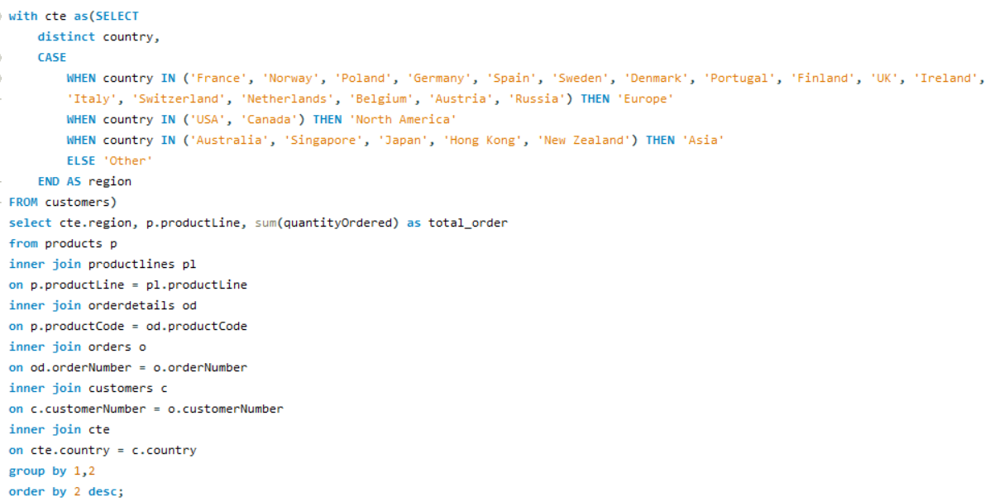
Region | Product Category | Order Count
Europe | Vintage Cars | 9660
North America | Vintage Cars | 8755
Asia | Vintage Cars | 4491
Other | Vintage Cars | 27
Asia | Trucks and Buses | 1897
Europe | Trucks and Buses | 4655
North America | Trucks and Buses | 4449
Europe | Trains | 1544
North America | Trains | 912
Asia | Trains | 362
Europe | Ships | 4808
North America | Ships | 2914
Sum of Order Count by Product Category and Region
 | Asia | Europe | North America | Other
Classic Cars | 4701 | 18292 | 12111 | 478
Motorcycles | 2240 | 5106 | 5191 | 241
Planes | 2339 | 5513 | 3805 | 215
Ships | 810 | 4808 | 2914 | 0
Trains | 362 | 1544 | 912 | 0
Trucks and Buses | 1897 | 4655 | 4449 | 0
Vintage Cars | 4491 | 9660 | 8755 | 27
Asia | Ships | 810
Asia | Planes | 2339
Europe | Planes | 5513
North America | Planes | 3805
Other | Planes | 215
Europe | Motorcycles | 5106
Asia | Motorcycles | 2240
North America | Motorcycles | 5191
Other | Motorcycles | 241
Europe | Classic Cars | 18292
North America | Classic Cars | 12111
Asia | Classic Cars | 4701
Other | Classic Cars | 478

Customer preferences can vary significantly based on geographic location due to cultural, economic, and environmental factors. To customize marketing campaigns effectively, businesses should consider the following:
1. Language 2. Climate and Seasonal Variation 3. Economic Factors 4. Local Trends and Traditions 5. Legal and Regulatory Compliance 6. Local Competition 7. Market Research 8. Customer Feedback Customizing marketing campaigns based on geographic location is an ongoing process that requires a deep understanding of the specific regions you are targeting. It's essential to be flexible and willing to adapt your strategies as you learn more about the preferences and behaviors of customers in different areas.

Sol 9
What are the characteristics of high-value customers, and how can similar customers be targeted for acquisition?

customerNumber | customerName | Order_Frequency | Products_Ordered | Total_Units_Purchased | Total_Revenue
141 | Euro+ Shopping Channel | 26 | 106 | 9327 | 820689.54
124 | Mini Gifts Distributors Ltd. | 17 | 77 | 6366 | 591827.34
114 | Australian Collectors, Co. | 5 | 40 | 1926 | 180585.07
148 | Dragon Souveniers, Ltd. | 5 | 37 | 1524 | 156251.03
323 | Down Under Souveniers, Inc | 5 | 42 | 1691 | 154622.08
High-value customers are those who bring substantial revenue and long-term value to a business. They are typically more profitable and loyal compared to the average customer. Here are the characteristics of high-value customers and how similar customers can be targeted for acquisition:
Characteristics of High-Value Customers:
1. High Spending
2. Loyalty
3. Long-term Engagement 4. Profitability
5. Advocacy Targeting Similar Customers for Acquisition:
1. Data Analysis 2. Customer Segmentation 3. Look-alike Modeling 4. Personalized Marketing 5. Referral Programs
6. Improve Customer Experience
7. Cross-selling and Upselling
8. Retention Strategies
9. Social Media and Influencer Marketing 10. A/B Testing
Customer value can change over time, so it's crucial to monitor and adjust your strategies as your customer base evolves and as market conditions change. Regularly assess your acquisition efforts to ensure they are effective in targeting and acquiring high-value customers.
145 | Danish Wholesale Imports | 5 | 31 | 1315 | 129085.12
353 | Reims Collectables | 5 | 37 | 1433 | 126983.19
151 | Muscle Machine Inc | 4 | 32 | 1775 | 177913.95
119 | La Rochelle Gifts | 4 | 43 | 1832 | 158573.12
131 | Land of Toys Inc. | 4 | 41 | 1631 | 149085.15
450 | The Sharp Gifts Warehouse | 4 | 39 | 1656 | 143536.27
382 | Salzburg Collectables | 4 | 36 | 1442 | 137480.07
496 | Kelly's Gift Shop | 4 | 45 | 1647 | 137460.79
276 | Anna's Decorations, Ltd | 4 | 41 | 1469 | 137034.22
282 | Souveniers And Things Co. | 4 | 44 | 1601 | 133907.12
321 | Corporate Gift Ideas Co. | 4 | 40 | 1447 | 132340.78
166 | Handji Gifts& Co | 4 | 29 | 1236 | 107746.75
398 | Tokyo Collectables, Ltd | 4 | 32 | 1150 | 105548.73
161 | Technics Stores Inc. | 4 | 30 | 1179 | 104545.22
157 | Diecast Classics Inc. | 4 | 31 | 1111 | 104358.69
121 | Baane Mini Imports | 4 | 32 | 1082 | 104224.79
128 | Blauer See Auto, Co. | 4 | 22 | 811 | 75937.76
144 | Volvo Model Replicas, Co | 4 | 19 | 647 | 66694.82
381 | Royale Belge | 4 | 8 | 278 | 29217.18
187 | AV Stores, Co. | 3 | 37 | 1778 | 148410.09
146 | Saveley & Henriot, Co. | 3 | 41 | 1428 | 130305.35
278 | Rovelli Gifts | 3 | 34 | 1650 | 127529.69
386 | L'ordine Souveniers | 3 | 39 | 1280 | 125505.57
448 | Scandinavian Gift Ideas | 3 | 38 | 1359 | 120943.53
363 | Online Diecast Creations Co. | 3 | 34 | 1248 | 116449.29
458 | Corrida Auto Replicas, Ltd | 3 | 26 | 1163 | 112440.09
201 | UK Collectables, Ltd. | 3 | 29 | 1046 | 106610.72
334 | Suominen Souveniers | 3 | 30 | 1031 | 103896.74
320 | Mini Creations Ltd. | 3 | 34 | 1140 | 101872.52
167 | Herkku Gifts | 3 | 29 | 973 | 97562.47
311 | Oulu Toy Supplies, Inc. | 3 | 31 | 1110 | 95706.15
186 | Toys of Finland, Co. | 3 | 30 | 1051 | 95546.46
175 | Gift Depot Inc. | 3 | 25 | 903 | 95424.63
357 | GiftsForHim.com | 3 | 26 | 1003 | 94431.76
205 | Toys4GrownUps.com | 3 | 29 | 1060 | 93803.3
412 | Extreme Desk Decorations, Ltd | 3 | 29 | 1055 | 90332.38
462 | FunGiftIdeas.com | 3 | 26 | 903 | 88627.49
385 | Cruz & Sons Co. | 3 | 22 | 961 | 87468.3
172 | La Corne D'abondance, Co. | 3 | 22 | 836 | 86553.52
406 | Auto Canal+ Petit | 3 | 18 | 1001 | 86436.97
362 | Gifts4AllAges.com | 3 | 21 | 1036 | 84340.32
328 | Tekni Collectables Inc. | 3 | 21 | 988 | 81806.55
324 | Stylish Desk Decors, Co. | 3 | 26 | 937 | 80556.73
112 | Signal Gift Stores | 3 | 24 | 929 | 80180.98
486 | Motor Mint Distributors Inc. | 3 | 17 | 730 | 77726.59
209 | Mini Caravy | 3 | 19 | 779 | 75859.32
379 | Collectables For Less Inc. | 3 | 24 | 795 | 73533.65
181 | Vitachrome Inc. | 3 | 25 | 787 | 72497.64
350 | Marseille Mini Autos | 3 | 24 | 804 | 71547.53
314 | Petit Auto | 3 | 20 | 796 | 70851.58
424 | Classic Legends Inc. | 3 | 20 | 720 | 69214.33
233 | QuÃ©bec Home Shopping Network | 3 | 22 | 717 | 68977.67
216 | Enaco Distributors | 3 | 22 | 882 | 68520.47
250 | Lyon Souveniers | 3 | 20 | 684 | 67659.19
129 | Mini Wheels Co. | 3 | 19 | 692 | 66710.56
242 | Alpha Cognac | 3 | 20 | 687 | 60483.36
471 | Australian Collectables, Ltd | 3 | 23 | 705 | 55866.02
333 | Australian Gift Network, Co | 3 | 15 | 545 | 55190.16
452 | Mini Auto Werke | 3 | 15 | 532 | 51059.99
447 | Gift Ideas Corp. | 3 | 19 | 666 | 49967.78
103 | Atelier graphique | 3 | 7 | 270 | 22314.36
198 | Auto-Moto Classics Inc. | 3 | 8 | 287 | 21554.26
298 | Vida Sport, Ltd | 2 | 17 | 1078 | 108777.92
286 | Marta's Replicas Co. | 2 | 27 | 976 | 90545.37
227 | Heintze Collectables | 2 | 27 | 882 | 89909.8
259 | Toms SpezialitÃ¤ten, Ltd | 2 | 17 | 936 | 89223.14
249 | Amica Models & Co. | 2 | 26 | 843 | 82223.23
239 | Collectable Mini Designs Co. | 2 | 25 | 954 | 80375.24
319 | Mini Classics | 2 | 26 | 929 | 78432.16
240 | giftsbymail.co.uk | 2 | 26 | 895 | 71783.75
455 | Super Scale Inc. | 2 | 17 | 636 | 70378.65
202 | Canadian Gift Exchange Network | 2 | 19 | 703 | 70122.19
299 | Norway Gifts By Mail, Co. | 2 | 24 | 787 | 69059.04
260 | Royal Canadian Collectables, Ltd. | 2 | 26 | 873 | 66812
495 | Diecast Collectables | 2 | 18 | 695 | 65541.74
177 | Osaka Souveniers Co. | 2 | 20 | 692 | 62361.22
171 | Daedalus Designs Imports | 2 | 14 | 699 | 61781.7
256 | Auto AssociÃ©s & Cie. | 2 | 17 | 637 | 58876.41
339 | Classic Gift Ideas, Inc | 2 | 21 | 668 | 57939.34
204 | Online Mini Collectables | 2 | 15 | 572 | 55577.26
484 | Iberia Gift Imports, Corp. | 2 | 15 | 589 | 50987.85
189 | Clover Collections, Co. | 2 | 16 | 490 | 49898.27
344 | CAF Imports | 2 | 13 | 468 | 46751.14
211 | King Kong Collectables, Co. | 2 | 12 | 596 | 45480.79
475 | West Coast Collectables Co. | 2 | 13 | 511 | 43748.72
487 | Signal Collectibles Ltd. | 2 | 15 | 514 | 42570.37
347 | Men 'R' US Retailers, Ltd. | 2 | 14 | 500 | 41506.19
173 | Cambridge Collectables Co. | 2 | 11 | 357 | 32198.69
489 | Double Decker Gift Stores, Ltd | 2 | 12 | 357 | 29586.15
456 | Microscale Inc. | 2 | 10 | 381 | 29230.43
473 | Frau da Collezione | 2 | 8 | 272 | 25358.32
219 | Boards & Toys Co. | 2 | 3 | 102 | 7918.6
415 | Bavarian Collectables Imports, Co. | 1 | 14 | 401 | 31310.09
125 | Havel & Zbyszek Co | 0 | 0
168 | American Souvenirs Inc | 0 | 0
169 | Porto Imports Co. | 0 | 0
206 | Asian Shopping Network, Co | 0 | 0
223 | NatÃ¼rlich Autos | 0 | 0
237 | ANG Resellers | 0 | 0
247 | Messner Shopping Network | 0 | 0
273 | Franken Gifts, Co | 0 | 0
293 | BG&E Collectables | 0 | 0
303 | Schuyler Imports | 0 | 0
307 | Der Hund Imports | 0 | 0
335 | Cramer SpezialitÃ¤ten, Ltd | 0 | 0
348 | Asian Treasures, Inc. | 0 | 0
356 | SAR Distributors, Co | 0 | 0
361 | Kommission Auto | 0 | 0
369 | Lisboa Souveniers, Inc | 0 | 0
376 | Precious Collectables | 0 | 0
409 | Stuttgart Collectable Exchange | 0 | 0
443 | Feuer Online Stores, Inc | 0 | 0
459 | Warburg Exchange | 0 | 0
465 | Anton Designs, Ltd. | 0 | 0
477 | Mit VergnÃ¼gen & Co. | 0 | 0
480 | Kremlin Collectables, Co. | 0 | 0
481 | Raanan Stores, Inc | 0 | 0

Sol 10
How can marketing strategies be tailored to target specific demographic segments in different regions?

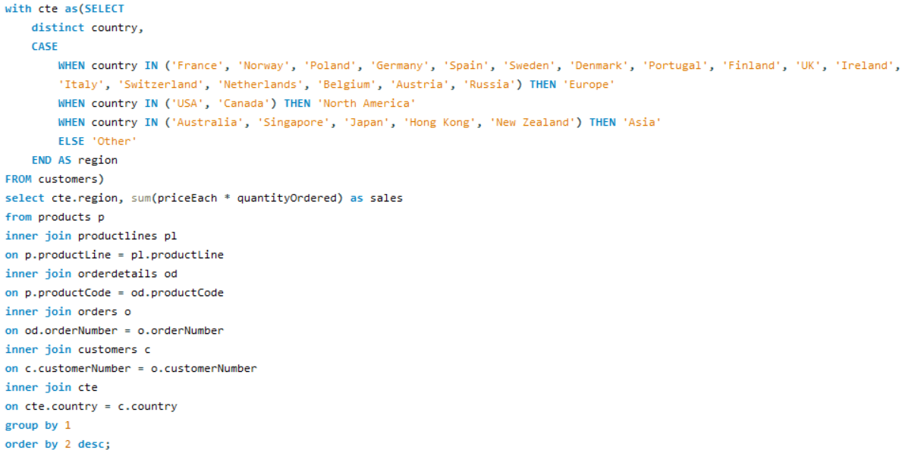
Region | Sales
Europe | 4520712.28
North America | 3479191.91
Asia | 1516818.12
Other | 87468.3

 | Sales
Europe | 4520712.28
North America | 3479191.91
Asia | 1516818.12
Other | 87468.3

Tailoring marketing strategies to target specific demographic segments in different regions involves a combination of Market Research,Customer Segmentation,Offer Customization,Testing and Optimization,Local Partnerships and Influencers, Monitor and Measure
1. Market Research: Understand regional differences and analyze competitors.
2. Customer Segmentation: Divide your audience by demographics, psychographics, and geography.
3. Offer Customization: Adjust pricing, promotions, and product bundles to fit regional preferences.
4. Testing and Optimization: Continuously test and optimize strategies based on feedback and performance data.
5. Local Partnerships and Influencers: Collaborate with local influencers and businesses.
6. Monitor and Measure:
Implement tracking and analytics to measure campaign performance and adjust strategies accordingly.

Sol 11
What are the potential untapped markets based on demographic indicators, and how can market penetration be increased?

Identifying potential untapped markets based on demographic indicators can be a strategic growth opportunity. Here are some demographic indicators and strategies to consider:
1. Age Groups
2. Geographic Areas
3. Cultural Background 4. Family Status 5. Income Levels 6. Gender 7. Education Level 8. Digital Adoption To increase market penetration in these untapped markets:
1. Market Research: Conduct in-depth market research to understand the unique needs and preferences of the target demographic.
2. Product/Service Customization: Adapt your offerings to match the specific requirements and preferences of the untapped market.
3. Local Partnerships: Collaborate with local businesses, influencers, or organizations to gain trust and credibility in the new market.
4. Localized Marketing: Tailor your marketing strategies, messages, and content to resonate with the demographic and local culture.
5. Pricing and Promotions: Consider pricing strategies and promotions that appeal to the target market's budget and expectations.
6. Distribution Channels: Optimize your distribution channels to reach the untapped market efficiently.
7. Education and Awareness: Educate the new market about your products or services and their value.
8. Customer Feedback: Gather feedback from early adopters in the market and adjust your strategies accordingly.
9. Continuous Evaluation: Regularly assess the performance and potential of the untapped market to refine your approach.
Market penetration takes time and effort, and a deep understanding of the target demographic is essential for tailoring your strategies effectively.

Sol 12
How do customer preferences and behavior differ based on demographic factors, and how can they be leveraged for personalized marketing campaigns?

Region | Sales
Europe | 4520712.28
North America | 3479191.91
Asia | 1516818.12
Other | 87468.3

To leverage these differences for personalized marketing:
1. Conduct thorough market research to understand the preferences of various demographic groups.
2. Segment your customer base by demographics to tailor your marketing campaigns.
3. Use data analytics to track and analyze customer behavior, enabling dynamic personalization.
4. Craft tailored marketing messages, offers, and content that resonate with each demographic.
5. Implement A/B testing to refine your campaigns based on what works best for each group.
Personalization goes beyond demographics, it should also consider individual behaviors, purchase history, and preferences to create a truly customized customer experience.

